Sheet1
URL | UID | Image | Listing Title | Name | Display Size | Video Size | Video Container | Video Codec | Video Buffer Requirements | Video Transform | Pixel Format | Audio Codec | Audio Channels | Audio Rate
https://www.aliexpress.us/item/3256811470431948.html | 0001 | 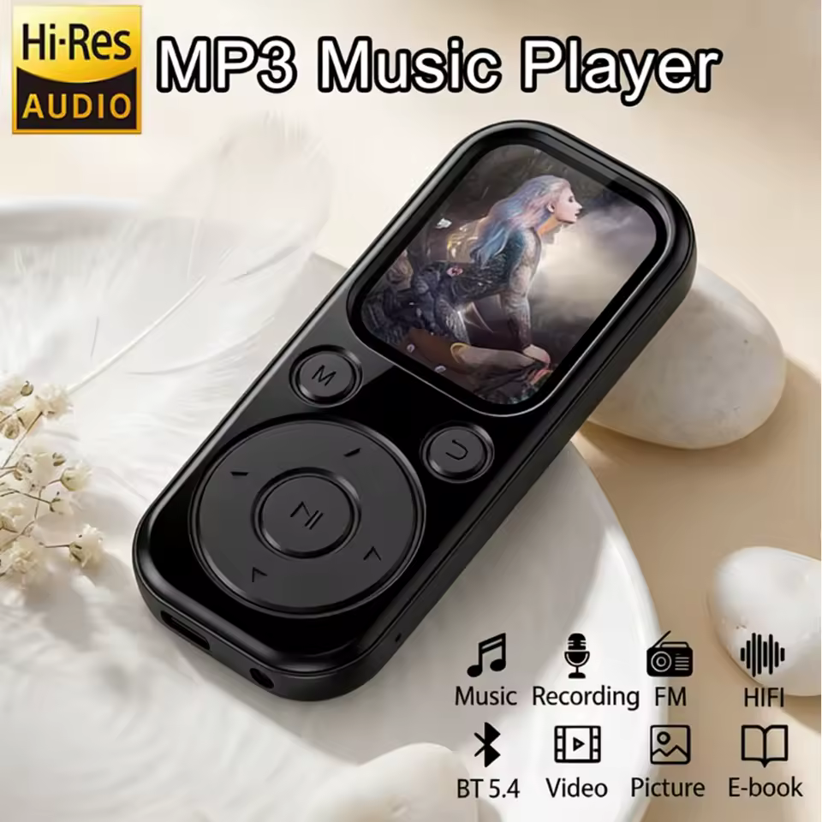 | 1.8-inch MP4 Video Player Bluetooth5.4 Mp3 Player TouchScreen Portable Hifi Audio Lossless Music Walkman FM Radio/Recorder New | Generic | 240x296 | 240x288 | AVI | H.264 | Buffer size: 2M Minimum QP: 12 GOP: ~1 second | Transpose cclock | yuvj420p | pcm_s16le | Mono Stereo | 22.05 kHz 16 kHz 8 kHz
https://www.aliexpress.us/item/3256807720302915.html | 0002 | 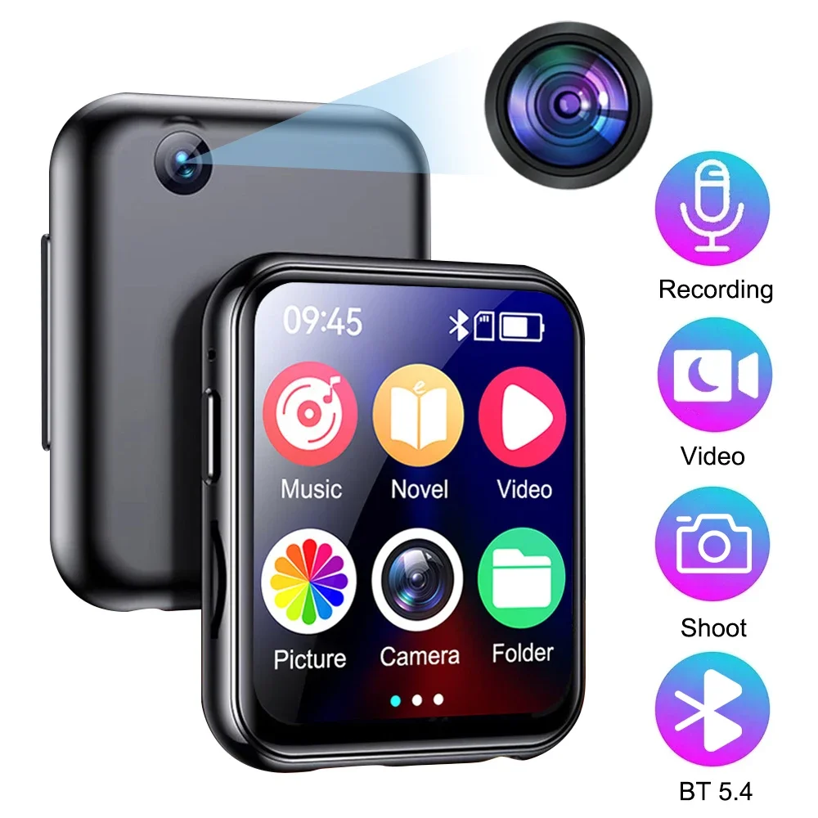 | 64GB MP3 Music Player Bluetooth 5.4 HiFi MP4 Full Touch Screen Built-in Speaker Recorder Camera Portable Video Player FM/E-book | Generic | Unknown | 240x288 | AVI | H.264 | Buffer size: 2M Minimum QP: 12 GOP: ~1 second | Transpose cclock | yuvj420p | pcm_s16le | Mono Stereo | 22.05 kHz 16 kHz 8 kHz
https://www.aliexpress.us/item/3256810076741961.html | 0003 | 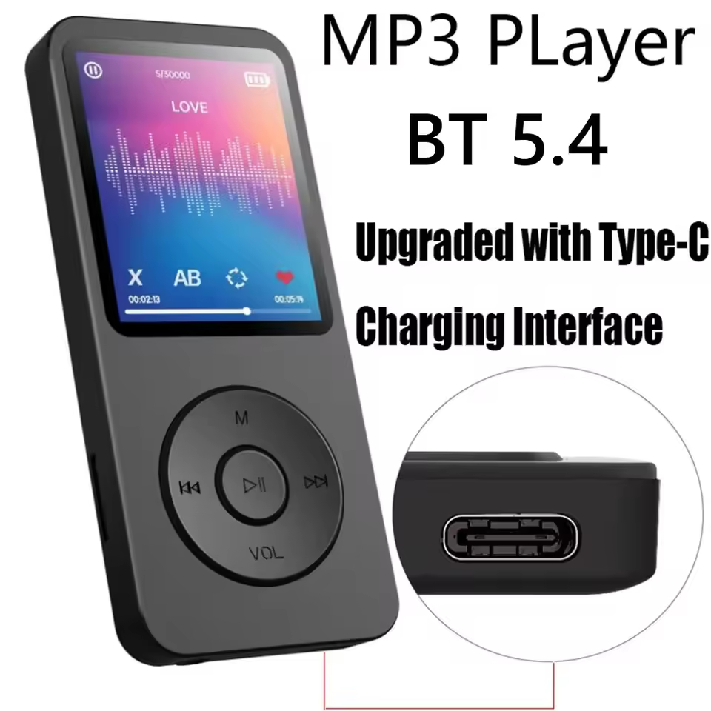 | Type-C Port MP3 Bluetooth Player Fast Charging 5.4 Bluetooth Version Running, Fitness, Exercise Walkman Scalable Memory Card | Generic | 128x160 | 128x160 | AVI | MJPEG | None | Transpose cclock Vertical flip | yuvj420p | pcm_s16le | Mono Stereo | 44.1 kHz 22.05 kHz 16 kHz
https://a.co/d/0ivwVJ4H | 0004 | 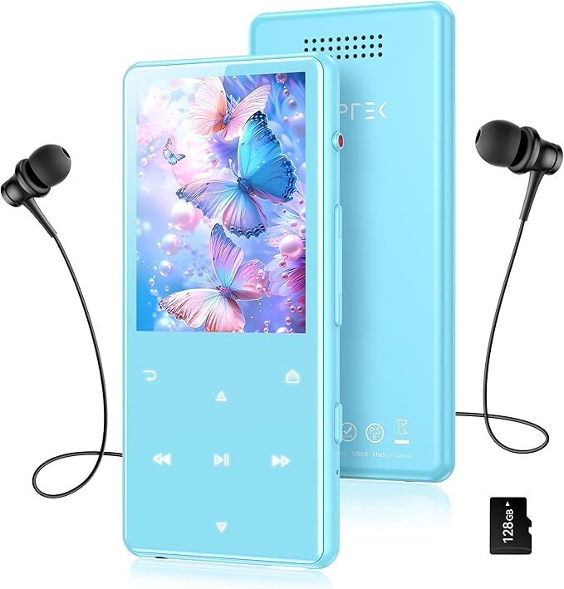 | AGPTEK 128GB MP3 Player with Bluetooth 5.4, M6 2.4 inch Music Player with One-Click Recording, Built in Speaker and FM Radio, Touch Buttons(Blue) | AGPTEK M6 | 240x320 | 240x320 | AVI | H.264 | Buffer size: 2M Minimum QP: 12 GOP: ~1 second | Transpose cclock | yuvj420p | pcm_s16le | Mono Stereo | 22.05 kHz 16 kHz 8 kHz
https://a.co/d/03RcQs66 | 0005 |  | RUIZU 64GB Clip MP3 Player with Bluetooth 5.3, Portable Music Player with Voice Recorder for Sport Running, FM Radio, Pedometer, A-B Repeat, Audio Video, Shuffle Playback, Support 128GB TF Card, Black | RUIZU X52 | 128x128 | 128x128 | AMV | AMV | None | None | yuvj420p | adpcm_ima_amv | Mono | 22.05 kHz
https://a.co/d/03ihdjUI | 0006 | 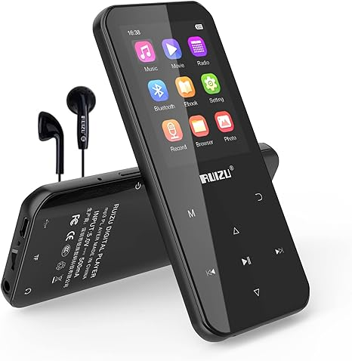 | RUIZU 96GB MP3 Player with Bluetooth 5.0, Portable Digital Music Player with FM Radio, Voice Recorder, E-Book Reader, Video, Pedometer, Alarm Clock, Supports up to 128GB Micro SD Card | RUIZU D19
https://a.co/d/0iGzQf9p | 0007 | 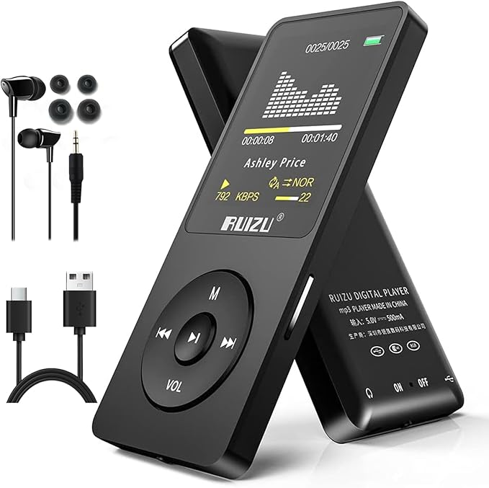 | RUIZU 64GB MP3 Player with Bluetooth 5.3, Portable Music Player for Kids Sports Running, FM Radio, Voice Recorder, Equalizer, 80H Digital Audio Video Shuffle Resume Playback, Up to 128GB Micro SD Card | RUIZU X02

